Roles Hierarchy
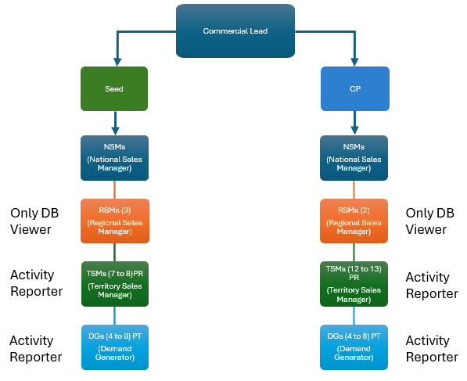
Role Hierarchy - Seed & CP
For Seed and CP Both (Same Structure)

Dashboard Sample for DG and TSM
 |  |  |  |  |  |  |  |  |  |  | Filter | Filter | Filter | Filter | Filter
1 | Master Data update w.r.t Master Data V18 |  |  |  |  |  |  |  |  |  | No. Of Activities | Season Wise | Date wise | Crop | DG/Team Filer for TSM
2 | Reports for all Modules in CRM |  |  |  |  |  |  |  |  |  | Farmer Contacted
3 | Actvities Dashboard should be based on Activity responsibilities |  |  |  |  |  |  |  |  |  | Acreage Reach
4 | Activities wise Target vs Actual w.r.t. No. of Activities, No. of Farmers Contacted and No. Of Acreage Reach

 | Activities Wise Target vs Achievement
 |  | No. Of Activities |  |  | Farmer Contacted |  |  | Acreage Reach |  |  | Total
 | Activitie Name | Target | Actual | Ach% | Target | Actual | Ach% | Target | Actual | Ach% | Type | TTL | ACT | Achi
 | Field Advisory Service | 100 | 50 | 50% | 100 | 50 | 50% | 1000 | 600 | 60% | No. Of Activities | 127 | 65 | 51%
 | Group Meeting | 10 | 5 | 50% | 70 | 40 | 57% | 700 | 400 | 57% | Farmer Contacted | 1370 | 930 | 68%
 | Farmer Meeting | 10 | 5 | 50% | 300 | 200 | 67% | 3000 | 1900 | 63% | Acreage Reach | 13700 | 9900 | 72%
 | High Profile Farmer Meeting | 5 | 3 | 60% | 500 | 300 | 60% | 5000 | 2700 | 54%
 | Float Meeting | 1 | 1 | 100% | 300 | 250 | 83% | 3000 | 2800 | 93%
 | 100-M Club Meeting | 1 | 1 | 100% | 100 | 90 | 90% | 1000 | 1500 | 150%
 | Total | 127 | 65 | 51% | 1370 | 930 | 68% | 13700 | 9900 | 72%

Activities Summary
Requirement
Filter
No. Of Activities
Farmer Contacted
Acreage Reach

Date Filter
Year Filter
Month Filter

Activity Type Filter
Crop Filter
Product Filter

For DG: by default DG view dashboard of himself, with all filter, with whole business year
For TSM: by default TSM view dashboard of whole territory, with all filter with whole business year, There would be My Team Filter to View the Dashboard of himself or any one of his team member

